Sheet12
Average of Income
$52,247
 | $52,247

$52,247
Average Income

Sheet13
Sum of Total
1,346,203 | 1,346,203

1,346,203
Total Purchases

Sheet5
Count of Customers
2240
 | 2240

2240
Total Population

Sheet15
Row Labels | Average of Recency
2012 | 50
2013 | 49
2014 | 48
Grand Total | 49

 |  | 49

49
Average Recency

Demographics
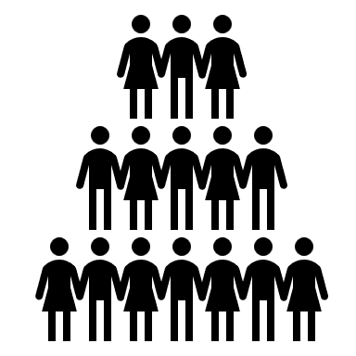
Average income based on generation
 | Total
Great Generation | $60,118
Silent Generation | $67,237
Baby Boomers | $57,008
GenX | $50,575
Millenials | $46,562
Average Income by Education
 | Total
2n Cycle | $47,633
Basic | $20,306
Graduation | $52,720
Master | $52,918
PhD | $56,145
Customer Count by Marital Status
 | Total
Absurd | 2
Alone | 3
Divorced | 232
Married | 864
Single | 480
Together | 580
Widow | 77
YOLO | 2
Income Categories
 | Total
Below Low Income | 151
Low Income | 933
Below Middle Income | 648
Middle Income | 495
High Income | 13
$52,247
Average Income
49
Average Recency
2240
Total Population
Customer Demographics

Customer_Behavior

Complains in the last 2 years
 | Total
No Complain | 2206
Complained | 21
Amount Spent on Puchases by Product
 | Total
Wines | $677,936
Fruits | $58,494
Meat Products | $368,202
Fish Products | $83,668
Sweet Products | $59,908
Gold Products | $97,995
Count of Customers by Last Purchase
 | Total
Today | 28
This Week | 155
Last Week | 169
Two Weeks | 142
This Month | 225
Last Month | 1291
It's been a while | 217
Count of Acceptance Based on Campaign
 | Total
Campaign 1 | 140
Campaign 2 | 29
Campaign 3 | 163
Campaign 4 | 164
Campaign 5 | 159
Last Campaign | 330
Customers Purchase Response Based on Number of Deals
 | Total
0 | 37
1 | 969
2 | 497
3 | 297
4 | 188
5 | 94
6 | 61
7 | 40
8 | 14
9 | 8
10 | 5
11 | 5
12 | 4
13 | 3
15 | 5
Sales based on purchase channel
 | Total
Web | 9091
Catalogue | 5850
Store | 12915
Frequency of Customer Visit
 | Total
No Visits | 7
Once a week | 1783
Regular | 437
1,346,203
Total Purchases
2240
Total Population
Customer Sales Analytics

